Parcheggio
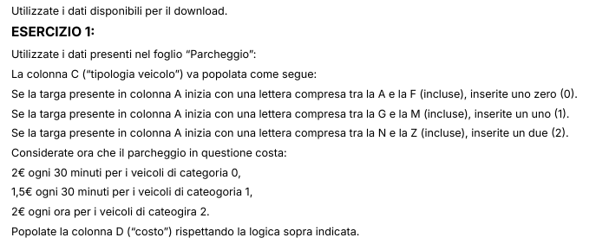
TARGA | ORE PARCHEGGIATE | TIPOLOGIA VEICOLO | COSTO
AC234DF | 1.5 | 0 | 6.00 €
LM789GH | 2.5 | 1 | 7.50 €
PQ456IJ | 3.5 | 2 | 7.00 €
UV123KL | 4.5 | 2 | 9.00 €
WX789MN | 5.5 | 2 | 11.00 €
YZ012OP | 6.5 | 2 | 13.00 €
AB345QR | 7.5 | 0 | 30.00 €
CD678ST | 8.5 | 0 | 34.00 €
EF901UV | 9.5 | 0 | 38.00 €
GH234WX | 10 | 1 | 30.00 €
IJ567YZ | 0.5 | 1 | 1.50 € | Targa | CAD, VEICOLO | PREZZO*MINUTI | PREZZO*ORE
KL890AB | 1 | 1 | 3.00 € | A-F | 0 | 2 | 4
MN123CD | 2 | 1 | 6.00 € | G-M | 1 | 1.5 | 3
OP456EF | 3 | 2 | 6.00 € | N-Z | 2 | 1 | 2
QR789GH | 4 | 2 | 8.00 €
ST012IJ | 5 | 2 | 10.00 €
UV345KL | 6 | 2 | 12.00 €
WX678MN | 7 | 2 | 14.00 €
YZ901OP | 8 | 2 | 16.00 €
AB234QR | 9 | 0 | 36.00 €
CD567ST | 10 | 0 | 40.00 €
EF890UV | 0.5 | 0 | 2.00 €
GH123WX | 1 | 1 | 3.00 €
IJ456YZ | 2 | 1 | 6.00 €
KL789AB | 3 | 1 | 9.00 €
MN012CD | 4 | 1 | 12.00 €
OP345EF | 5 | 2 | 10.00 €
QR678GH | 6 | 2 | 12.00 €
ST901IJ | 7 | 2 | 14.00 €
UV234KL | 8 | 2 | 16.00 €
WX567MN | 9 | 2 | 18.00 €
YZ890OP | 10 | 2 | 20.00 €
AB123QR | 0.5 | 0 | 2.00 €
CD456ST | 1 | 0 | 4.00 €
EF789UV | 2 | 0 | 8.00 €
GH012WX | 3 | 1 | 9.00 €
IJ345YZ | 4 | 1 | 12.00 €
KL678AB | 5 | 1 | 15.00 €
MN901CD | 6 | 1 | 18.00 €
OP234EF | 7 | 2 | 14.00 €
QR567GH | 8 | 2 | 16.00 €
ST890IJ | 9 | 2 | 18.00 €
UV123KL | 10 | 2 | 20.00 €
WX456MN | 0.5 | 2 | 1.00 €
YZ789OP | 1 | 2 | 2.00 €
AB012QR | 2 | 0 | 8.00 €
CD345ST | 3 | 0 | 12.00 €
EF678UV | 4 | 0 | 16.00 €
GH901WX | 5 | 1 | 15.00 €
IJ234YZ | 6 | 1 | 18.00 €
KL567AB | 7 | 1 | 21.00 €
MN890CD | 8 | 1 | 24.00 €
OP123EF | 9 | 2 | 18.00 €
QR456GH | 10 | 2 | 20.00 €
ST789IJ | 0.5 | 2 | 1.00 €
UV012KL | 1 | 2 | 2.00 €
WX345MN | 2 | 2 | 4.00 €
YZ678OP | 3 | 2 | 6.00 €
AB901QR | 4 | 0 | 16.00 €
CD234ST | 5 | 0 | 20.00 €
EF567UV | 6 | 0 | 24.00 €
GH890WX | 7 | 1 | 21.00 €
IJ123YZ | 8 | 1 | 24.00 €
KL456AB | 9 | 1 | 27.00 €
MN789CD | 10 | 1 | 30.00 €
OP012EF | 0.5 | 2 | 1.00 €
QR345GH | 1 | 2 | 2.00 €
ST678IJ | 2 | 2 | 4.00 €
UV890KL | 3 | 2 | 6.00 €
WX123MN | 4 | 2 | 8.00 €
YZ456OP | 5 | 2 | 10.00 €
AB789QR | 6 | 0 | 24.00 €
CD012ST | 7 | 0 | 28.00 €
EF345UV | 8 | 0 | 32.00 €
GH678WX | 9 | 1 | 27.00 €
IJ901YZ | 10 | 1 | 30.00 €
KL234AB | 0.5 | 1 | 1.50 €
MN567CD | 1 | 1 | 3.00 €
OP890EF | 2 | 2 | 4.00 €
QR123GH | 3 | 2 | 6.00 €
ST456IJ | 4 | 2 | 8.00 €
UV789KL | 5 | 2 | 10.00 €
WX012MN | 6 | 2 | 12.00 €
YZ345OP | 7 | 2 | 14.00 €
AB678QR | 8 | 0 | 32.00 €
CD901ST | 9 | 0 | 36.00 €
EF234UV | 10 | 0 | 40.00 €
GH567WX | 0.5 | 1 | 1.50 €
IJ890YZ | 1 | 1 | 3.00 €
KL123AB | 2 | 1 | 6.00 €
MN456CD | 3 | 1 | 9.00 €
OP789EF | 4 | 2 | 8.00 €
QR012GH | 5 | 2 | 10.00 €
ST345IJ | 6 | 2 | 12.00 €
UV678KL | 7 | 2 | 14.00 €
WX901MN | 8 | 2 | 16.00 €
YZ234OP | 9 | 2 | 18.00 €
AB567QR | 10 | 0 | 40.00 €
CD890ST | 0.5 | 0 | 2.00 €
EF123UV | 1 | 0 | 4.00 €

